Flask
https://en.wikipedia.org/wiki/Flask_(web_framework)

https://pypi.org/project/Flask/

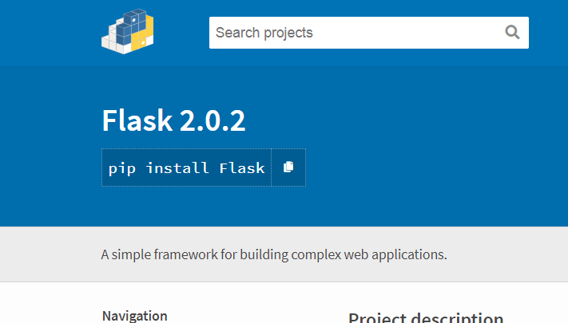

pip install Flask | On Office Laptop

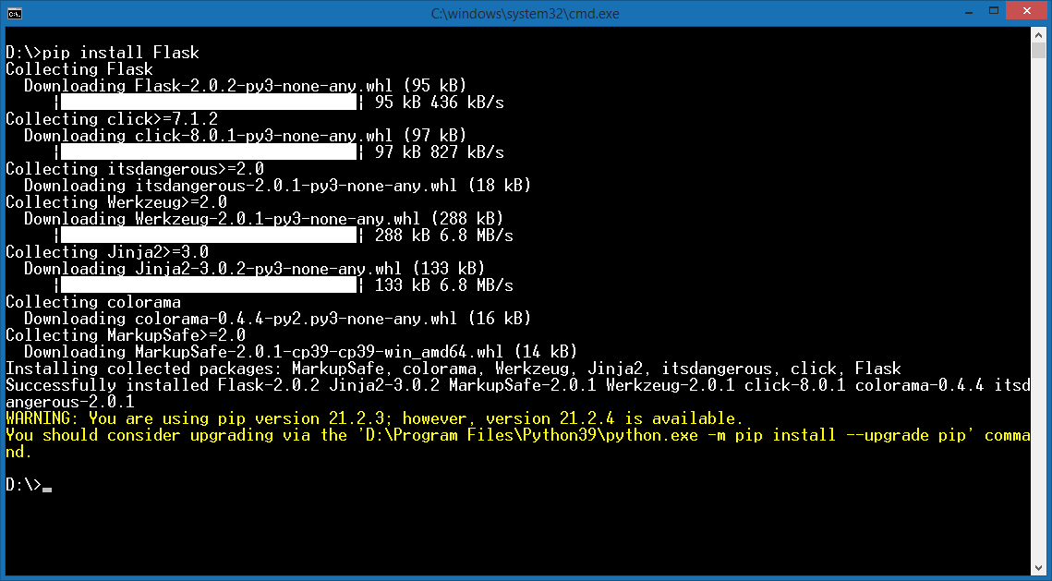
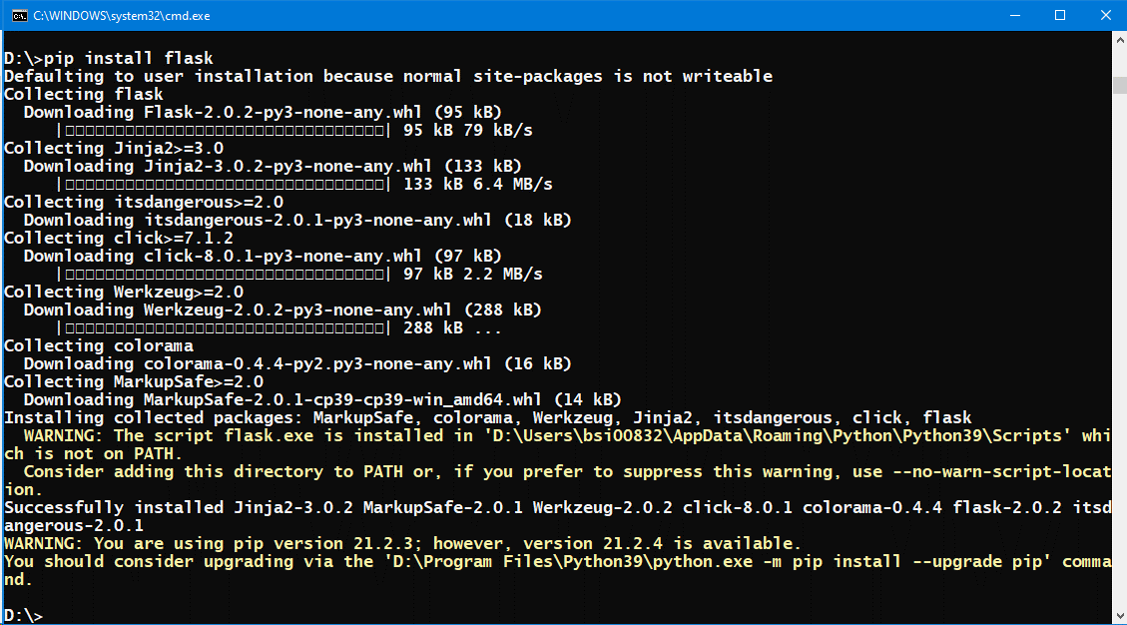

python Web.py

http://127.0.0.1:5000/
http://localhost:5000/

